Canada EN
E-Letter Canada |  | GO LIVE: Saturday, May 13, 10AM | AUDIENCE: ENGAGED

Campaign Name | GRG_CA_TRE_LB_13-5-2017_10h00
SUBLINE 1 | Sun, sand + SHORTS 🌴
SUBLINE 2 | NEW summer florals, denim & more!
TOP BANNER
Everything’s better with FREE SHIPPING over $50
Treat yourself! FREE SHIPPING over $40
 | FREE STANDARD SHIPPING ON ORDERS $40+ For a limited time, Garage is offering FREE STANDARD SHIPPING* on all online orders of $40 and more, after applied discounts and before taxes. The cost for shipping will automatically be deducted at checkout for all eligible orders. This offer does not apply to orders being shipped to Nunavut, Yukon, the Northwest Territories or areas outside of continental USA. This offer may be combined with other offers and brand promotions. No coupon code necessary.
Primary Message
 | 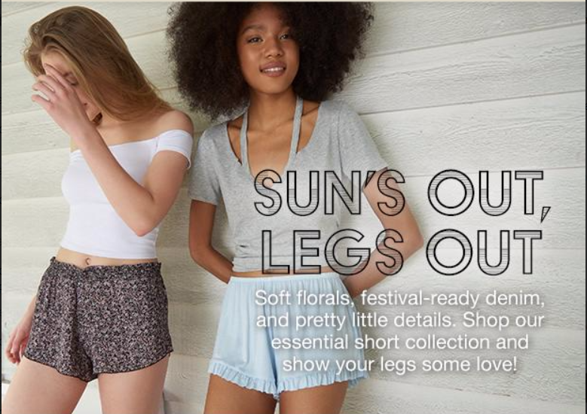
Link to: | http://www.garageclothing.com/ca/community/sun-out-legs-out-lookbook

Canada FR
E-Letter Canada FR |  | GO LIVE: Saturday, May 13, 10AM | AUDIENCE: ENGAGED

Campaign Name | GRG_CA_TRE_LB_13-5-2017_10h00
SUBLINE 1 | Soleil, sable + SHORTS 🌴
SUBLINE 2 | NOUVEAUX styles fleuris, en denim et plus!
TOP BANNER
Gâte-toi! Livraison gratuite à l'achat de 40 $ et +
 | LIVRAISON STANDARD GRATUITE SUR LES COMMANDES DE 40 $ ET PLUS Pour une durée limitée, Garage offre la LIVRAISON STANDARD GRATUITE* sur toutes les commandes en ligne de 40 $ et plus, après les rabais et avant les taxes. Le coût de la livraison sera automatiquement soustrait au moment de passer la commande, pour toutes les commandes admissibles. Cette offre de livraison ne s'applique pas aux commandes expédiées au Nunavut, au Yukon, aux Territoires du Nord-Ouest ni aux régions à l'extérieur de la zone continentale des États-Unis. Cette offre peut être combinée à d’autres offres ou promotions de la marque. Aucun code de coupon n'est nécessaire.
Primary Message
 | 
Link to: | http://www.garageclothing.com/fr-ca/community/guide-vive-les-jambes-bronzees

USA
E-Letter USA |  | GO LIVE: Saturday, May 13, 10AM | AUDIENCE: ENGAGED

Campaign Name | GRG_US_TRE_LB_13-5-2017_10h00
SUBLINE 1 | Sun, sand + SHORTS 🌴
SUBLINE 2 | NEW summer florals, denim & more!
TOP BANNER
Everything’s better with FREE SHIPPING over $50
Treat yourself! FREE SHIPPING over $40
 | FREE STANDARD SHIPPING ON ORDERS $40+ For a limited time, Garage is offering FREE STANDARD SHIPPING* on all online orders of $40 and more, after applied discounts and before taxes. The cost for shipping will automatically be deducted at checkout for all eligible orders. This offer does not apply to orders being shipped to Nunavut, Yukon, the Northwest Territories or areas outside of continental USA. This offer may be combined with other offers and brand promotions. No coupon code necessary.

Link to: | http://www.garageclothing.com/us/community/sun-out-legs-out-lookbook

